PT. PRASIDA LANTUR MAJU (WINE)
DATE | INV NO. | DESCRIPTIONS | QTY | BILLS | PRICE | TOTAL
1-Nov-2025 | PLM-INV4286/025 | ISOLA BLANCO 750ML | 3 | 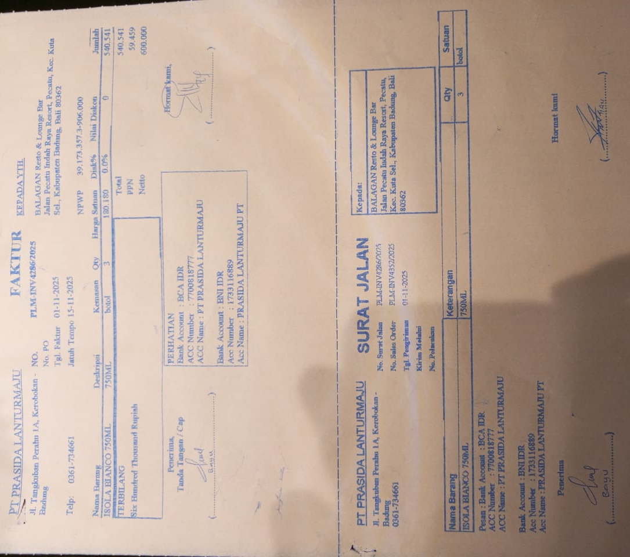 | IDR 180,180 | IDR 540,540
SUBTOTAL |  |  | 3 |  | PPN | Rp59,459
TOTAL |  |  |  | Rp600,000

TOTAL |  |  |  | Rp-
GRAND TOTAL |  |  |  | Rp600,000

